Sheet1
" Quality Alert "
ID #: | QA-032
Part #: | TRV2523

 | Problem Description:
Burr on hex not allowing 5/8 socket to be used

 | Containment Action:
Insure that parts fit 5/8 socket during production. Parts should be checked crimp side down as shown in below picture.

Hex should go into socket at least down to thread side
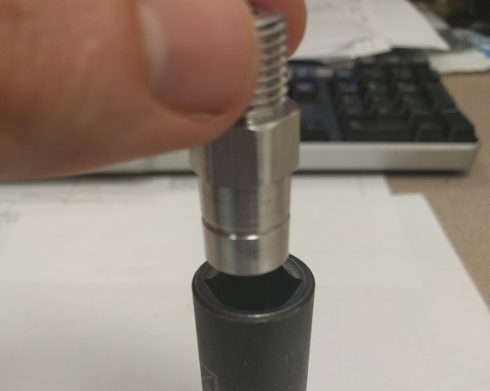 |  |  | 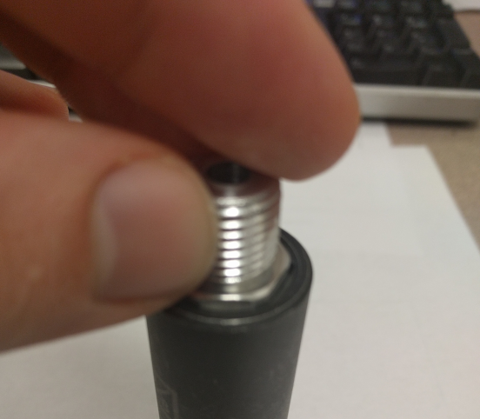

 | Department Mgr: |  | Ken McGuire
 | Quality Engineer: |  | Matthew King
 | Quality Director: |  | Dave Besancenez
 | Team Fact. Signature:
 | Removal Date:
Distribution : |  | ACME

VERIFICATION OF TRAINING LOG

Topic:
Date: |  | Time: |  | Training Hours:
Facilitator's :
I certify that I have received, and understand the training topic listed above.

Attendees:
Employee's Printed Name |  |  | Employee's Signature

1 |  |  | 1
2 |  |  | 2
3 |  |  | 3
4 |  |  | 4
5 |  |  | 5
6 |  |  | 6
7 |  |  | 7
8 |  |  | 8
9 |  |  | 9
10 |  |  | 10
11 |  |  | 11
12 |  |  | 12
13 |  |  | 13
14 |  |  | 14
15 |  |  | 15
16 |  |  | 16
17 |  |  | 17
18 |  |  | 18
19 |  |  | 19
20 |  |  | 20
21 |  |  | 21
22 |  |  | 22

